Sheet1
Bar Charts - Population Pyramids
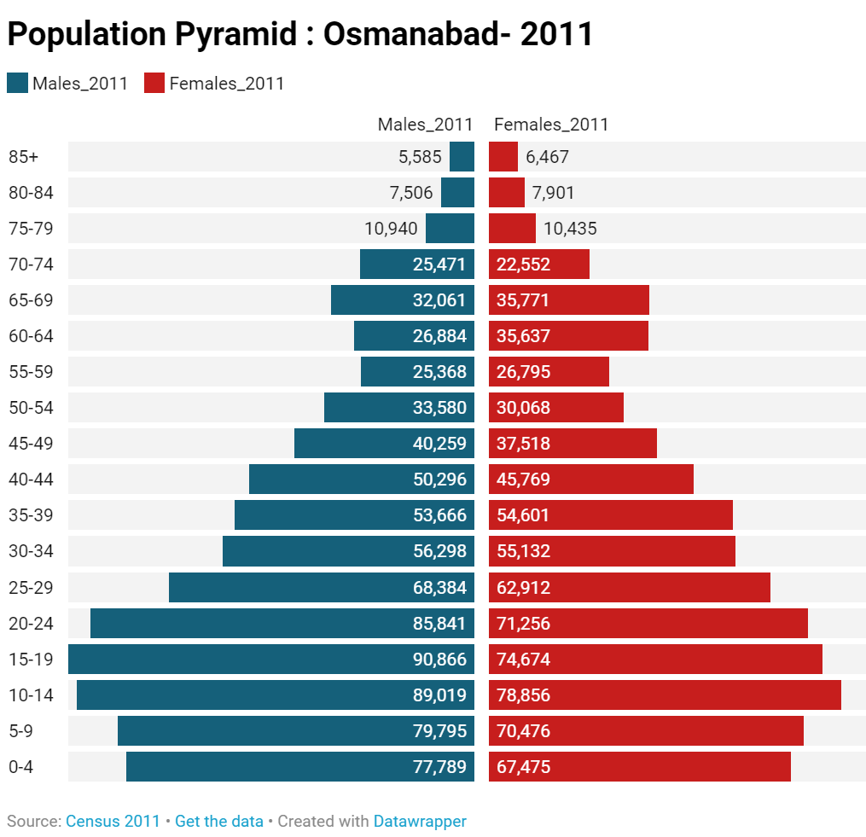
Age-group (years) | Males_2011 | Females_2011
0-4 | 77789 | 67475
5-9 | 79795 | 70476
10-14 | 89019 | 78856
15-19 | 90866 | 74674
20-24 | 85841 | 71256
25-29 | 68384 | 62912
30-34 | 56298 | 55132
35-39 | 53666 | 54601
40-44 | 50296 | 45769
45-49 | 40259 | 37518
50-54 | 33580 | 30068
55-59 | 25368 | 26795
60-64 | 26884 | 35637
65-69 | 32061 | 35771
70-74 | 25471 | 22552
75-79 | 10940 | 10435
80-84 | 7506 | 7901
85+ | 5585 | 6467

Time series |  |  |  |  |  |  |  |  |  |  |  |  |  |  |  |  | CensusYear | 1901 | 1911 | 1921 | 1931 | 1941 | 1951 | 1961 | 1971 | 1981 | 1991 | 2001 | 2011
Population of major Urban Agglomeration in India |  |  |  |  |  |  |  |  |  |  |  |  |  |  |  |  | Ahmadabad | 185889 | 216777 | 274007 | 310000 | 591267 | 871849 | 1199131 | 1750134 | 2534641 | 3324197 | 4488237 | 5633927
CensusYear | Ahmadabad | Allahabad U.A. | Bruhat Bangalore U.A. | Chennai U.A. | Delhi U.A. | Greater Mumbai U.A. | Hyderabad U.A. | Jaipur | Kanpur U.A. | Kochi U.A. | Kolkata U.A. | Lucknow U.A. | Patna U.A. | Pune U.A. | Surat U.A. | Varanasi U.A. | Allahabad U.A. | 172032 | 171697 | 157220 | 183914 | 260630 | 332295 | 430730 | 513036 | 650070 | 844546 | 1042229 | 1212395
1901 | 185889 | 172032 | 163091 | 594396 | 214115 | 839672 | 448466 | 160167 | 202797 | 74198 | 1520721 | 256239 | 180025 | 164117 | 129500 | 226105 | Bruhat Bangalore U.A. | 163091 | 189485 | 240054 | 309785 | 410967 | 786343 | 1206961 | 1664208 | 2921751 | 4137314 | 5701446 | 8520435
1911 | 216777 | 171697 | 189485 | 604034 | 237944 | 1046579 | 502104 | 137098 | 178557 | 87353 | 1756805 | 252114 | 176688 | 172884 | 125220 | 217012 | Chennai U.A. | 594396 | 604034 | 627824 | 774513 | 930356 | 1542333 | 1944502 | 3155944 | 4273329 | 5416903 | 6686140 | 8653521
1921 | 274007 | 157220 | 240054 | 627824 | 304420 | 1285402 | 405630 | 123896 | 216436 | 91975 | 1872737 | 240566 | 158048 | 198543 | 128400 | 210745 | Delhi U.A. | 214115 | 237944 | 304420 | 447442 | 695686 | 1437134 | 2359408 | 3647023 | 5760811 | 8471625 | 12895547 | 16349831
1931 | 310000 | 183914 | 309785 | 774513 | 447442 | 1316413 | 466894 | 148755 | 243755 | 144953 | 2123128 | 274659 | 201540 | 250187 | 111928 | 220143 | Greater Mumbai U.A. | 839672 | 1046579 | 1285402 | 1316413 | 1747234 | 3216904 | 4515495 | 6596370 | 9421962 | 12596243 | 16434386 | 18394912
1941 | 591267 | 260630 | 410967 | 930356 | 695686 | 1747234 | 739159 | 180940 | 487324 | 180730 | 3597595 | 387177 | 245267 | 324286 | 187271 | 278955 | Hyderabad U.A. | 448466 | 502104 | 405630 | 466894 | 739159 | 1135758 | 1254941 | 1815117 | 2607770 | 4344437 | 5756729 | 7677018
1951 | 871849 | 332295 | 786343 | 1542333 | 1437134 | 3216904 | 1135758 | 304380 | 705383 | 234178 | 4685869 | 496861 | 341911 | 608634 | 237394 | 369799 | Jaipur | 160167 | 137098 | 123896 | 148755 | 180940 | 304380 | 410376 | 636768 | 1015160 | 1518235 | 2322575 | 3046163
1961 | 1199131 | 430730 | 1206961 | 1944502 | 2359408 | 4515495 | 1254941 | 410376 | 971062 | 365806 | 6008656 | 655673 | 435360 | 790798 | 317519 | 505952 | Kanpur U.A. | 202797 | 178557 | 216436 | 243755 | 487324 | 705383 | 971062 | 1275242 | 1639064 | 2029889 | 2715555 | 2920496
1971 | 1750134 | 513036 | 1664208 | 3155944 | 3647023 | 6596370 | 1815117 | 636768 | 1275242 | 607339 | 7447429 | 813982 | 575476 | 1135034 | 493001 | 635175 | Kochi U.A. | 74198 | 87353 | 91975 | 144953 | 180730 | 234178 | 365806 | 607339 | 937744 | 1242115 | 1410666 | 2119724
1981 | 2534641 | 650070 | 2921751 | 4273329 | 5760811 | 9421962 | 2607770 | 1015160 | 1639064 | 937744 | 9232103 | 1007604 | 953064 | 1722186 | 930246 | 803365 | Kolkata U.A. | 1520721 | 1756805 | 1872737 | 2123128 | 3597595 | 4685869 | 6008656 | 7447429 | 9232103 | 11110314 | 13251339 | 14057991
1991 | 3324197 | 844546 | 4137314 | 5416903 | 8471625 | 12596243 | 4344437 | 1518235 | 2029889 | 1242115 | 11110314 | 1669204 | 1140100 | 2493987 | 1514545 | 1039939 | Lucknow U.A. | 256239 | 252114 | 240566 | 274659 | 387177 | 496861 | 655673 | 813982 | 1007604 | 1669204 | 2245509 | 2902920
2001 | 4488237 | 1042229 | 5701446 | 6686140 | 12895547 | 16434386 | 5756729 | 2322575 | 2715555 | 1410666 | 13251339 | 2245509 | 1697976 | 3768612 | 2820373 | 1216392 | Patna U.A. | 180025 | 176688 | 158048 | 201540 | 245267 | 341911 | 435360 | 575476 | 953064 | 1140100 | 1697976 | 2049156
2011 | 5633927 | 1212395 | 8520435 | 8653521 | 16349831 | 18394912 | 7677018 | 3046163 | 2920496 | 2119724 | 14057991 | 2902920 | 2049156 | 5057709 | 4591246 | 1432280 | Pune U.A. | 164117 | 172884 | 198543 | 250187 | 324286 | 608634 | 790798 | 1135034 | 1722186 | 2493987 | 3768612 | 5057709
 |  |  |  |  |  |  |  |  |  |  |  |  |  |  |  |  | Surat U.A. | 129500 | 125220 | 128400 | 111928 | 187271 | 237394 | 317519 | 493001 | 930246 | 1514545 | 2820373 | 4591246
 |  |  |  |  |  |  |  |  |  |  |  |  |  |  |  |  | Varanasi U.A. | 226105 | 217012 | 210745 | 220143 | 278955 | 369799 | 505952 | 635175 | 803365 | 1039939 | 1216392 | 1432280
Bar Chart/Mapping |  | Gaps
Linguistic Diversity of Maharashtra Districts
State/District | Total Population | LDI-Language | LDI-Mother Tongues
Nandubar | 1648295 | 0.590016587 | 0.749431467
Dhule | 2050862 | 0.751499879 | 0.782229719
Jalgaon | 4229917 | 0.564445547 | 0.572017683
Buldhana | 2586258 | 0.363427114 | 0.366959155
Akola | 1813906 | 0.465587571 | 0.47000968
Washim | 1197160 | 0.396426782 | 0.407851956
Amravati | 2888445 | 0.524108914 | 0.527553731
Wardha | 1300774 | 0.222523326 | 0.224534197
Nagpur | 4653570 | 0.46529058 | 0.474785478
Bhandara | 1200334 | 0.129182854 | 0.130056417
Gondiya | 1322507 | 0.418187385 | 0.448335335
Gadchiroli | 1072942 | 0.640569656 | 0.645672148
Chandrapur | 2204307 | 0.292026986 | 0.29462148
Yavatmal | 2772348 | 0.502762157 | 0.519344985
Nanded | 3361292 | 0.408570345 | 0.415602188
Hingoli | 1177345 | 0.290262622 | 0.295258738
Parbhani | 1836086 | 0.364496494 | 0.36884432
Jalna | 1959046 | 0.394174274 | 0.404842664
Aurangabad | 3701282 | 0.473903081 | 0.484717543
Nashik | 6107187 | 0.459197525 | 0.4624705
Thane | 11060148 | 0.660264162 | 0.679696799
Mumbai Suburban | 9356962 | 0.761132977 | 0.784382102
Mumbai City | 3085411 | 0.764820189 | 0.784524806
Raigad | 2634200 | 0.347760623 | 0.366363991
Pune | 9429408 | 0.372663722 | 0.379257111
Ahmednagar | 4543159 | 0.205477406 | 0.207160963
Bid | 2585049 | 0.292651179 | 0.295548195
Latur | 2454196 | 0.316640215 | 0.320891501
Osmanabad | 1657576 | 0.261884916 | 0.264912227
Solapur | 4317756 | 0.446435584 | 0.449038834
Satara | 3003741 | 0.132365307 | 0.134516816
Ratnagiri | 1615069 | 0.216527955 | 0.217549141
Sindhudurg | 849651 | 0.166404519 | 0.167400468
Kolhapur | 3876001 | 0.201748571 | 0.203069799
Sangli | 2822143 | 0.254951279 | 0.256649177
Palghar

Pune district - reason for migration (in migration) by Gender
Reason for Migration | Male | Female | Total |  | Reason for Migration | Male | Female | Total
Work or employment | 1036159 | 169116 | 1205275 |  | Work or employment | 35.02 | 5.39
Business | 31643 | 16640 | 48283 |  | Business | 1.07 | 0.53
Education | 80867 | 42295 | 123162 |  | Education | 2.73 | 1.35
Marriage | 35478 | 1294053 | 1329531 |  | Marriage | 1.20 | 41.27
Moved after birth | 506599 | 303205 | 809804 |  | Moved after birth | 17.12 | 9.67
Moved within household | 536836 | 744281 | 1281117 |  | Moved within household | 18.15 | 23.73
Others | 730818 | 566335 | 1297153 |  | Others | 24.70 | 18.06
Total | 2958400 | 3135925 | 6094325

State | No Electricity (%) | 1-4 hrs (%) | 5-8 hours (%) | 9-12 hours (%) | > 12 hours (%) |  | Total | Less than 12 hours |  | State | Less than 12 hours
JHARKHAND | 10.72 | 19.81 | 34.43 | 26.63 | 8.41 |  | 100 | 91.59 |  | JHARKHAND | 91.59
ASSAM | 11 | 9.99 | 29.71 | 33.12 | 16.19 |  | 100.01 | 83.82 |  | ASSAM | 83.82
JAMMU AND KASHMIR | 1.99 | 13.72 | 25.29 | 35.56 | 23.44 |  | 100 | 76.56 |  | JAMMU AND KASHMIR | 76.56
ARUNACHAL PRADESH | 24.21 | 13.61 | 16.41 | 21.29 | 24.48 |  | 100 | 75.52 |  | ARUNACHAL PRADESH | 75.52
UTTAR PRADESH | 3.66 | 6.33 | 10.5 | 52.43 | 27.09 |  | 100.01 | 72.92 |  | UTTAR PRADESH | 72.92
NAGALAND | 4.73 | 13.31 | 24.61 | 29.77 | 27.58 |  | 100 | 72.42 |  | NAGALAND | 72.42
RAJASTHAN | 2.9 | 3.04 | 16.65 | 36.95 | 40.45 |  | 99.99 | 59.54 |  | RAJASTHAN | 59.54
MIZORAM | 14.02 | 10.98 | 12.72 | 21.68 | 40.61 |  | 100.01 | 59.4 |  | MIZORAM | 59.4
HARYANA | 0.79 | 1.79 | 6.04 | 48.44 | 42.95 |  | 100.01 | 57.06 |  | HARYANA | 57.06
BIHAR | 5.75 | 3.52 | 10.25 | 37.17 | 43.31 |  | 100 | 56.69 |  | BIHAR | 56.69
MANIPUR | 14.5 | 7.5 | 12.6 | 22.04 | 43.36 |  | 100 | 56.64 |  | MANIPUR | 56.64
MEGHALAYA | 10.32 | 4.59 | 19.7 | 21.96 | 43.43 |  | 100 | 56.57 |  | MEGHALAYA | 56.57
ODISHA | 4.64 | 5.99 | 9.04 | 34.07 | 46.25 |  | 99.99 | 53.74 |  | ODISHA | 53.74
CHHATTISGARH | 7.36 | 5.3 | 12.31 | 28.71 | 46.32 |  | 100 | 53.68 |  | CHHATTISGARH | 53.68
MAHARASHTRA | 3.41 | 2.12 | 10.3 | 35.48 | 48.7 |  | 100.01 | 51.31 |  | MAHARASHTRA | 51.31
TRIPURA | 2.13 | 5.78 | 11.42 | 31.45 | 49.22 |  | 100 | 50.78 |  | TRIPURA | 50.78
MADHYA PRADESH | 3.8 | 2.05 | 10.45 | 32.33 | 51.37 |  | 100 | 48.63 |  | MADHYA PRADESH | 48.63
TAMIL NADU | 1.52 | 2 | 1.84 | 37.39 | 57.26 |  | 100.01 | 42.75 |  | TAMIL NADU | 42.75
KARNATAKA | 3.18 | 4.23 | 9.95 | 23.87 | 58.78 |  | 100.01 | 41.23 |  | KARNATAKA | 41.23
SIKKIM | 2.18 | 3.87 | 5.81 | 27.6 | 60.53 |  | 99.99 | 39.46 |  | SIKKIM | 39.46
WEST BENGAL | 2.32 | 2.86 | 5.61 | 22.65 | 66.57 |  | 100.01 | 33.44 |  | WEST BENGAL | 33.44
PUNJAB | 1.37 | 0.82 | 1.5 | 27.15 | 69.16 |  | 100 | 30.84 |  | PUNJAB | 30.84
UTTARAKHAND | 2.71 | 1.14 | 2.81 | 22.91 | 70.44 |  | 100.01 | 29.57 |  | UTTARAKHAND | 29.57
ANDHRA PRADESH | 3.33 | 3.1 | 3.77 | 17.69 | 72.1 |  | 99.99 | 27.89 |  | ANDHRA PRADESH | 27.89
TELANGANA | 2.34 | 4.39 | 2.49 | 17.55 | 73.23 |  | 100 | 26.77 |  | TELANGANA | 26.77
ANDAMAN AND NICOBAR ISLANDS | 0 | 3.59 | 1.2 | 20.36 | 74.85 |  | 100 | 25.15 |  | ANDAMAN AND NICOBAR ISLANDS | 25.15
HIMACHAL PRADESH | 4.7 | 2.23 | 1.13 | 7.27 | 84.68 |  | 100.01 | 15.33 |  | HIMACHAL PRADESH | 15.33
PUDUCHERRY | 4.88 | 4.88 | 0 | 4.88 | 85.37 |  | 100.01 | 14.64 |  | PUDUCHERRY | 14.64
LAKSHADWEEP | 0 | 11.11 | 0 | 0 | 88.89 |  | 100 | 11.11 |  | LAKSHADWEEP | 11.11
GOA | 2.77 | 0.5 | 0.76 | 3.02 | 92.95 |  | 100 | 7.05 |  | GOA | 7.05
GUJARAT | 0.24 | 0.58 | 0.47 | 3.59 | 95.12 |  | 100 | 4.88 |  | GUJARAT | 4.88
DADRA AND NAGAR HAVELI | 1.43 | 0 | 0 | 0 | 98.57 |  | 100 | 1.43 |  | DADRA AND NAGAR HAVELI | 1.43
KERALA | 0 | 0.19 | 0 | 0.19 | 99.62 |  | 100 | 0.38 |  | KERALA | 0.38
CHANDIGARH | 0 | 0 | 0 | 0 | 100 |  | 100 | 0 |  | CHANDIGARH | 0
DAMAN AND DIU | 0 | 0 | 0 | 0 | 100 |  | 100 | 0 |  | DAMAN AND DIU | 0

Average teachers in Pune Schools by Management and Category
School Management | Department of Education | Tribal Welfare | Local Body | Government Aided | Unaided
PS(I-V) |  |  | 2.36 | 7.75 | 8.31
UPS(I-VIII) | 5.5 | 7 | 7.17 | 11.04 | 16.05
HSS(I-XII) |  | 16.4 | 27.6 | 32.25 | 35.77
UPS(VI-VIII) |  |  |  |  | 4
HSS(VI-XII) |  |  | 15.75 | 12.18 | 16.34
SS(I-X) |  | 9.92 | 19.36 | 12.98 | 27.9
SS(VI-X) |  |  | 8.79 | 5.45 | 7.34
SS(IX-X) |  |  | 6.46 |  | 6.38
HSS(IX-XII) |  |  |  |  | 9.88
HSS(XI-XII) |  |  |  | 28.17 | 11.7
Total | 5.5 | 11.25 | 3.9 | 15.15 | 17.52

Hierarchical Data

Language | MotherTongue | RAJASTHAN-Population |  |  |  | Language | MotherTongue | Population
HINDI | Rajasthani | 25279304 |  |  |  | BHILI/BHILODI | Wagdi | 3393991
HINDI | Hindi | 18742450 |  |  |  | BHILI/BHILODI | Bhili/Bhilodi | 3206533
HINDI | Marwari | 6201702 |  |  |  | GONDI | Gondi | 2856581
HINDI | Mewari | 4179940 |  |  |  | KURUKH/ORAON | Kurukh/Oraon | 1976920
BHILI/BHILODI | Wagdi | 3387133 |  |  |  | OTHERS | OTHERS | 1875542
HINDI | Hara/Harauti | 2944228 |  |  |  | TULU | Tulu | 1841963
HINDI | Dhundhari | 1473032 |  |  |  | KHANDESHI | Ahirani | 1636465
PUNJABI | Punjabi | 1154622 |  |  |  | HO | Ho | 1410996
PUNJABI | Bagri | 1119675 |  |  |  | MUNDARI | Mundari | 1128050
HINDI | Brajbhasha | 814162 |  |  |  | GARO | Garo | 1125359
URDU | Urdu | 660186 |  |  |  | KHASI | Khasi | 1037964
HINDI | Malvi | 529348 |  |  |  | BHILI/BHILODI | Barel | 991257
HINDI | Mewati | 421044 |  |  |  | KUI | Kui | 941377
SINDHI | Sindhi | 353806 |  |  |  | TRIPURI | Kokbarak | 917900
HINDI | Sadan/Sadri | 211102 |  |  |  | LUSHAI/MIZO | Lushai/Mizo | 825900
HINDI | Sondwari | 202258 |  |  |  | HALABI | Halabi | 765464
HINDI | Others | 109884 |  |  |  | BHILI/BHILODI | Bhilali | 753466
BENGALI | Bengali | 81564 |  |  |  | KORKU | Korku | 688053
BHILI/BHILODI | Garasia | 67312 |  |  |  | MIRI/MISHING | Miri/Mishing | 629954
GUJARATI | Gujarati | 66849 |  |  |  | KARBI/MIKIR | Karbi/Mikir | 528503
HINDI | Haryanvi | 66831 |  |  |  | MUNDA | Munda | 464817
BHILI/BHILODI | Baori | 51692 |  |  |  | BHILI/BHILODI | Kokna/Kokni/Kukna | 416787
HINDI | Bhojpuri | 48483 |  |  |  | SAVARA | Savara | 409481
BHILI/BHILODI | Bhili/Bhilodi | 46664 |  |  |  | KOYA | Koya | 407423
OTHERS | OTHERS | 43104 |  |  |  | BHILI/BHILODI | Varli | 387481
BHILI/BHILODI | Rathi | 38291 |  |  |  | KHASI | Pnar/Synteng | 319324
SINDHI | Others | 32583 |  |  |  | BHILI/BHILODI | Pawri | 311677
MARATHI | Marathi | 22905 |  |  |  | KHARIA | Kharia | 293665
MALAYALAM | Malayalam | 22707 |  |  |  | NISSI/DAFLA | Nissi/Dafla | 289166
ODIA | Odia | 16882 |  |  |  | ENGLISH | English | 259678
ENGLISH | English | 13202 |  |  |  | KONYAK | Konyak | 244477
MAITHILI | Maithili | 11292 |  |  |  | THADO | Thado | 227114
HINDI | Khari Boli | 10923 |  |  |  | KISAN | Kisan | 206100
LAHNDA | Others | 9789 |  |  |  | TANGKHUL | Tangkhul | 187263
TAMIL | Tamil | 8921 |  |  |  | BHILI/BHILODI | Vasava | 187036
HINDI | Banjari | 8719 |  |  |  | LOTHA | Lotha | 179467
TELUGU | Telugu | 8298 |  |  |  | MALTO | Pahariya | 152814
NEPALI | Nepali | 7633 |  |  |  | KHANDESHI | Dangi | 150674
HINDI | Awadhi | 7351 |  |  |  | MAO | Paola | 143001
DOGRI | Dogri | 5120 |  |  |  | RABHA | Rabha | 139985
URDU | Others | 4528 |  |  |  | BHILI/BHILODI | Gamti/Gavit | 139118
HINDI | Lamani/Lambadi | 4244 |  |  |  | DIMASA | Dimasa | 133327
KASHMIRI | Kashmiri | 4139 |  |  |  | KOLAMI | Kolami | 128451
HINDI | Garhwali | 4080
LAHNDA | Hindi Multani | 3984
KANNADA | Kannada | 3905
HINDI | Pahari | 3519
HINDI | Kumauni | 3223
ASSAMESE | Assamese | 2789
MUNDA | Others | 2707
SANSKRIT | Sanskrit | 2375
HINDI | Bundeli/Bundel khandi | 2227
MANIPURI | Manipuri | 2166
LAHNDA | Bahawal Puri | 2109
HINDI | Chhattisgarhi | 2053
KANNADA | Prakritha/Prakritha Bhasha | 1964
MALAYALAM | Others | 1732
GONDI | Others | 1391
HINDI | Magadhi/Magahi | 935
ARABIC/ARBI | Arabic/Arbi | 890
ADI | Adi | 758
BHILI/BHILODI | Others | 682
HINDI | Bagri Rajasthani | 668
HO | Lohara | 657
RABHA | Rabha | 634
GUJARATI | Others | 518
HINDI | Gawari | 441
GONDI | Gondi | 315
MARATHI | Others | 309
HINDI | Gojri/Gujjari/Gujar | 308
HINDI | Bishnoi | 305
HINDI | Khortha/Khotta | 291
MAO | Paola | 241
SANTALI | Santali | 240
URDU | Bhansari | 201
KURUKH/ORAON | Kurukh/Oraon | 198
MAITHILI | Purbi Maithili | 188
LUSHAI/MIZO | Lushai/Mizo | 179
HINDI | Bagheli/Baghel Khandi | 178
SINDHI | Kachchhi | 177
RAI | Rai | 176
MAITHILI | Thati | 175
AFGHANI/KABULI/PASHTO | Afghani/Kabuli/Pashto | 173
ODIA | Others | 165
HINDI | Baghati/Baghati Pahari | 150
HINDI | Bharmauri/Gaddi | 138
BHILI/BHILODI | Gamti/Gavit | 130
BHILI/BHILODI | Bhilali | 127
KHANDESHI | Gujari | 119
HINDI | Handuri | 116
KONKANI | Others | 116
MUNDARI | Mundari | 116
KONKANI | Konkani | 111
HINDI | Nimadi | 107
BODO | Bodo/Boro | 102
TULU | Others | 100
HINDI | Chambeali/Chamrali | 99
BHILI/BHILODI | Kokna/Kokni/Kukna | 96
GUJARATI | Ponchi | 95
HINDI | Jaunpuri/Jaunsari | 94
...

